Protocol Dose Statistics
 |  | A Randomized Phase III Study of Sublobar Resection (SR) versus Stereotactic Ablative Radiotherapy (SAbR) in High Risk Patients with Stage I Non-Small Cell Lung Cancer (NSCLC)

Institution Name: | Institution |  |  |  | Case Number: | 1 | Complication Endpoint ( >= grade 3 ) | Revision: | 2019-10-17
Fraction Dose (Gy): | 18.00 | # of Fx: | 3 |  | Rx Dose: | 54.00
Plan Name: |  | Planner: | XX |  | Date: | 2013-07-19
Organ | Evaluation | Goal |  | Unit | Current Value | Compliant? |  | Comments
GTV | Motion Management | Record |  |  |  | Yes |  | Motion management technology if applied
 | V0 | Record |  | cc |  |  |  | Record GTV volume
PTV | %VRx | >= | 95.0% | % |  | No |  | The prescription dose should cover more than 95% of PTV volume
 | D99% | >= | 48.6 | GY |  |  |  | 99% of the target volume (PTV) receives a minimum of 90% of the prescription dose (i.e., 48.6 Gy)
 | Dose Heterogeneity | wthin | 60% ~ 90% |  |  | No |  | The prescription isodose must be ≥ 60% of the dose at the center of mass of the PTV (COMPTV) and ≤ 90% of the dose at the center of mass of the PTV (COMPTV)
 | Location of Dmax | Within PTV |  |  |  |  |  | Any dose > 105% of the prescription dose should occur primarily within the PTV
 | Conformity Index | < | 1.2 |  |  | Yes |  | Conformity of PTV coverage will be judged such that the ratio of the volume of the prescription isodose meeting criteria 1 through 4 to the volume of the PTV is ideally < 1.2 (
 | High Dose Spillage | < | 15.0% |  |  | Yes |  | The cumulative volume of all tissue outside the PTV receiving a dose > 105% of prescription dose should be no more than 15% of the size of the PTV volume
Spinal Cord and Medulla | V15.9 | < | 0.35 | cc |  | Yes | Myelitis | Volume of this organ receiving at least 15.9 Gy should be less than 0.35 cc
 | **Dmax | < | 22.5 | GY |  |  |  | Max point dose in this organ should be less than 22.5 Gy
Esophagus* | V17.7 | < | 5.0 | cc |  | Yes | Stenosis/fistula
 | Dmax | < | 25.2 | GY
Brachial Plexus | V22 | < | 3.0 | cc |  | Yes | Neuropathy
 | **Dmax | < | 26.0 | GY
Heart/Pericardium | V24 | < | 15.0 | cc |  | Yes | Pericarditis
 | **Dmax | < | 30.0 | GY
Great Vessels | V39 | < | 10.0 | cc |  | Yes | Aneurysm
 | Dmax | < | 45.0 | GY
Trachea and Large Bronchus* | V25.8 | < | 5.0 | cc |  | Yes | Stenosis/fistula
 | **Dmax | < | 30.0 | GY
Rib | V40 | < | 5.0 | cc |  | Yes | Pain or fracture
 | **Dmax | < | 50.0 | GY
Skin | V31 | < | 10.0 | cc |  | Yes | Ulceration
 | **Dmax | < | 33.0 | cc
Stomach | V22.5 | < | 5.0 | cc |  | Yes | Ulceration/fistula
 | **Dmax | < | 30.0 | GY
Colon* | V24 | < | 20.0 | cc |  | Yes | Colitis/fistula
 | **Dmax | < | 30.0 | GY
Parallel Tissue | Critial Volume | Critical Volume Dose Max
Lung (all) | > 1500 cc | 10.5 |  | cc |  | No | Basic lung function | The critical volume of two lungs receiving dose no more than 10.5 Gy should be larger than 1500 cc
 | > 1000 cc | 11.4 |  | cc |  |  | Pneumonitis | The critical volume of two lungs receiving dose no more than 11.4 Gy should be larger than 1000 cc
Liver | > 700 cc | 17.1 |  | cc |  | No | Basic liver function | The critical volume of liver receiving dose no more than17.1 Gy should be larger than 700 cc
Renal Cortex (all) | > 200 cc | 15.0 |  | cc |  | No | Basic renal function | The critical volume of both renal cortexes receiving dose no more than 15 Gy should be larger than 200 cc
Intermediate Dose Spillage | PTV Volume | 20.0 |  | cc | Index of the lookup table below |  |  | Record PTV volume in cc and use it as the index to the lookup table below.
 | R50% | 5.57 |  |  |  | Yes |  | The ratio of the volume of the 27 Gy isodose volume (50% of the prescription dose) to the volume of the PTV must be no greater than R50% where R50% is given by the table below.
 | D2cm | 61.9% |  | % |  | Yes |  | The maximum total dose over all 3 fractions in Gray (Gy) to any point 2 cm or greater away from the PTV in any direction must be no greater than D2cm where D2cm is given by the table below
 | Lungs V20 | 15.00% |  | % |  | Yes |  | Percent of total lungs receiving 20 Gy or more
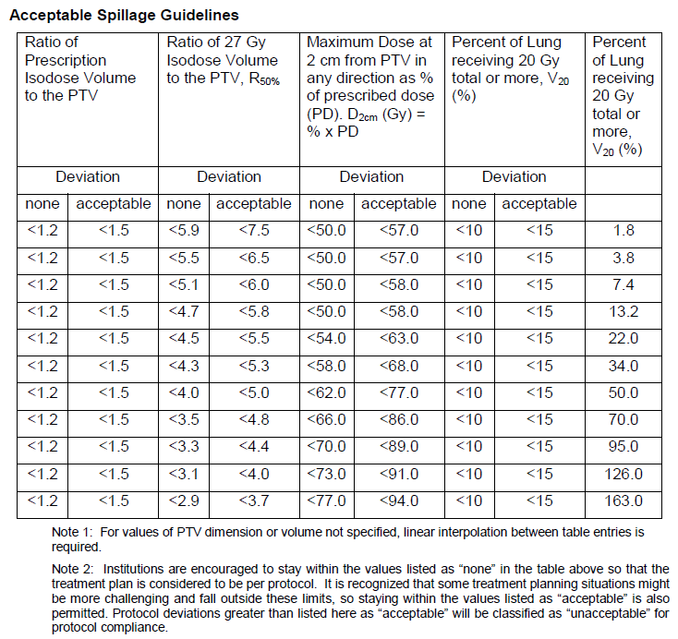
* Avoid circumferential irradiation
** A "point" is defined as a volume of 0.035 cc or less
PTV
Volume
in cc
Motion Management | YESNO
None | Yes
Abdominal Compression | No
Active Breathing Control
Beam Gating
Tumor Tracking
Other

PTV Volume (cc) | R50 (good) | R50 (acceptable) |  |  | D2cm % (good) | D2cm % (acceptable)
1.8 | 5.9 | 7.5 |  |  | 50 | 57
2.8 | 5.5 | 6.5 |  |  | 50 | 57
7.4 | 5.1 | 6.0 |  |  | 50 | 58
13.2 | 4.7 | 5.8 |  |  | 50 | 58
22.0 | 4.5 | 5.5 |  |  | 54 | 63
34.0 | 4.3 | 5.3 |  |  | 58 | 68
50.0 | 4.0 | 5.0 |  |  | 62 | 77
70.0 | 3.5 | 4.8 |  |  | 66 | 86
95.0 | 3.3 | 4.4 |  |  | 70 | 89
126.0 | 3.1 | 4.0 |  |  | 73 | 91
163.0 | 2.9 | 3.7 |  |  | 77 | 94

