Form Instructions
Enter the date your order is being placed.
 | Uniform Bulk Order Form
This section of the form is to offer tips on how to fill out this form.

American Solutions for Business |  |  |  | Date: | 2023-05-05
Select your Logo Position from the Drop down
Select your Garment Color from the Drop down
White Gray Navy
Utilize the link below for sizing information
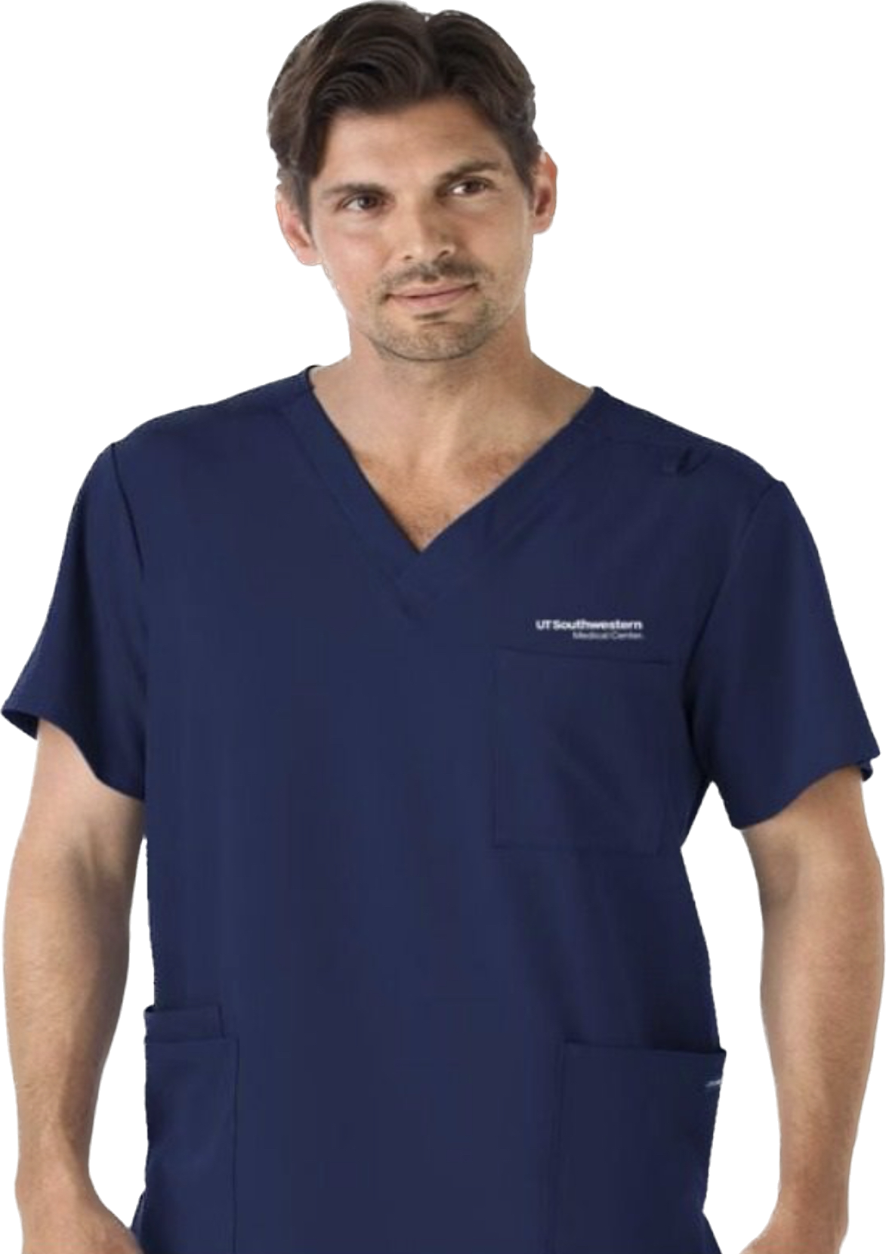
Did you need an Embroidery?
Drop Down Yes or No
Logo and Color design
Drop Down
White
Grey
Blue
John Doe, MD
University Clinic
Uniform Cost will vary based on Item Number selected, size, and embroidery decoration.
The Total will be added automatically once the price and quantity are added on this form.
Shipping Total will vary on weight and size of packaging
All totals on this form is an estimate of your Bulk Order Request
Type in the decoration Name, Credentials, Department, Division, or your own text to be added on to your uniform.
Reminder: Each Row filled out would correspond to the uniform selected
On this example, a decoration text has been added to the right chest of the Scrub Top
Uniform.
Ship to: | [Name]
 | Attach this requisition form to the external |  |  |  | Sizing Instruction Video
 | note of the branded goods form in the
Select your Size from the dropo down
Small
Medium
Large
Extra Large
2 XL
Select if your would like a Personalization added to your uniform.
Drop down selection
Yes or No
 | procurement portal
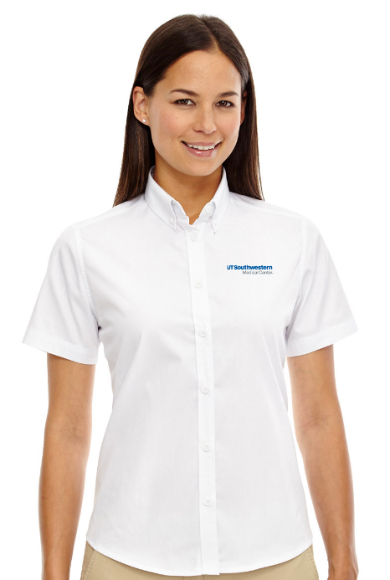
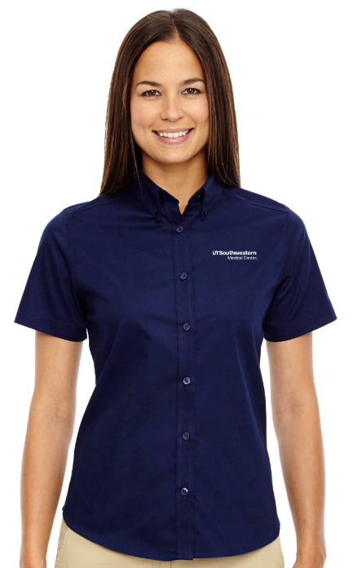
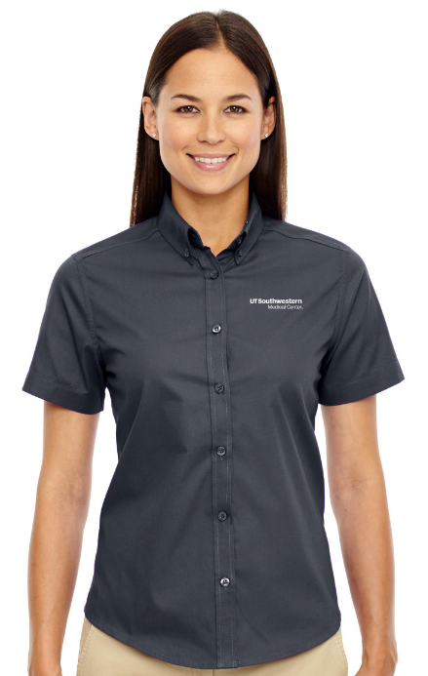

Enter Quantity and Select your Item Number from the drop down
Blue Row has Polo Shirts and Port Authority Shirts
White Row has Scrubs, Jackets, and Cardigans
You can enter any amount of Uniforms selected
Select from the drop down for Decoration Text Location and select from four thread colors.
If you would like a Royalty Item, please provide special instructions via email.

Selecting drop down will show the Polo Shirts,
and Port Authority Shirts available.
Qty | Item Number and Product Description | Embroidery | Logo and Color | Logo Position | Garment Color | Size | Personalization | Decoration Text - Name and Credentials | Decoration Text - Dept. or Division | Decoration Text | Decoration Text Location | Decoration Text Thread Color | Royalty Item 2 | Uniform Cost | Total
3 |  |  | White | UTSW Medical Center LEFT Chest | White | SM | Yes |  |  |  | RIGHT Chest | Navy |  | $5.00 | $15.00
 |  | Yes | Grey | UTSW Medical Center RIGHT Chest | Carbon Gray | M | No |  |  |  | LEFT Chest | White |  |  | -
 |  | No | Blue |  | Navy | L |  |  |  |  |  | Grey |  |  | -
 |  |  |  |  |  | XL |  |  |  |  |  |  |  |  | -
 |  |  |  |  |  | XXL |  |  |  |  |  |  |  |  | -
 |  |  |  |  |  |  |  |  |  |  |  |  |  |  | -
 |  |  |  |  |  |  |  |  |  |  |  |  |  |  | -
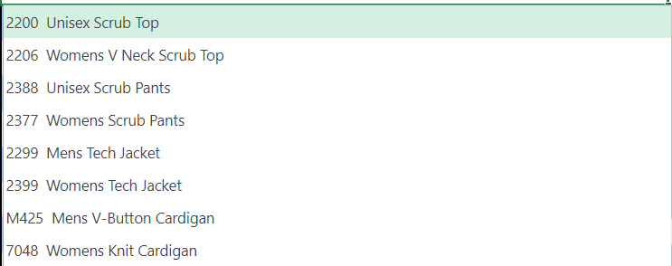
 |  |  |  |  |  |  |  |  |  |  |  |  |  |  | -
Selecting drop down will
show the Scrubs, Jackets, and Cardigans
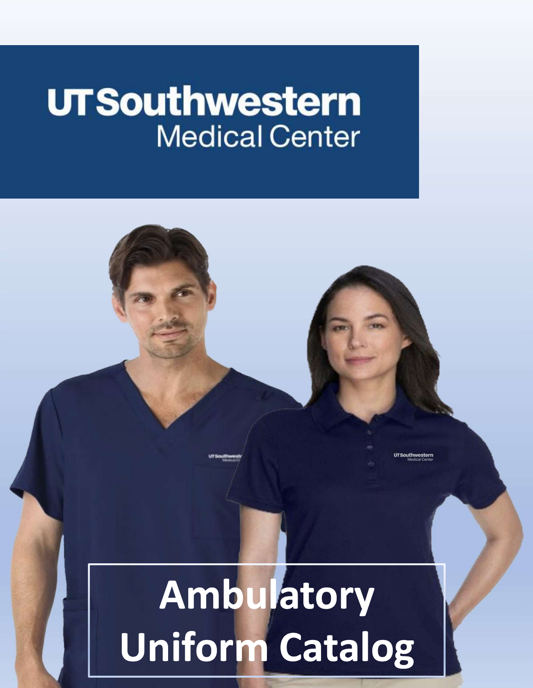
 |  |  |  |  |  |  |  |  |  |  |  |  |  |  | -
 |  |  |  |  |  |  |  |  |  |  |  |  |  |  | -
 |  |  |  |  |  |  |  |  |  |  |  |  |  |  | -
 |  |  |  |  |  |  |  |  |  |  |  |  |  |  | -
 |  |  |  |  |  |  |  |  |  |  |  |  |  |  | -
 |  |  |  |  |  |  |  |  |  |  |  |  |  |  | -
Use the Ambulatory Uniform Catalog for Reference to all Item Numbers and Product Descriptions
 |  |  |  |  |  |  |  |  |  |  |  |  |  |  | -
 |  |  |  |  |  |  |  |  |  |  |  |  |  |  | -
 |  |  |  |  |  |  |  |  |  |  |  |  |  |  | -
 |  |  |  |  |  |  |  |  |  |  |  |  |  |  | -
 |  |  |  |  |  |  |  |  |  |  |  |  |  |  | -
 |  |  |  |  |  |  |  |  |  |  |  |  |  |  | -
 |  |  |  |  |  |  |  |  |  |  |  |  |  |  | -
 |  |  |  |  |  |  |  |  |  |  |  |  |  |  | -
 |  |  |  |  |  |  |  |  |  |  |  |  |  |  | -

 |  |  |  |  |  |  |  |  |  |  |  |  |  | Estimated Shipping cost varies according to size & weight of purchase
 |  |  |  |  |  |  |  |  |  |  |  |  |  | Subtotal | $15.00
 |  |  |  |  |  |  |  |  |  |  |  |  |  | Sales Tax | 8%
 |  |  |  |  |  |  |  |  |  |  |  |  |  | Total | $16.24

Thank you for your business!
UT Southwestern Medical Center

